SX Data by State
This example data extraction using pivot table functions illustrates the surprising fact that the Albion R. Hodgdon Herbarium possessed more samples from Maine than New Hampshire by a significant margin for its collection of species listed as extirpated from the state.

Records by State/Province for SX Catagory Species
Row Labels | Count of stateProvince
Maine | 17
Massachusetts | 5
New Hampshire | 3
Michigan | 2
Rhode Island | 1
Connecticut | 1
Grand Total | 29

SH Data by State
This example data extraction using pivot table functions illustrates the Albion R. Hodgdon Herbarium’s collection of historically present species broken down by state of origin. It was a surprise to find that yet again, a majority of the samples for this category were taken from Maine. Data like this in conjunction with that of other herbaria containing samples originating in New England may help provide a more holistic view of the changes in the biogeography of local species over time.

Records by State/Province for SH Catagory Species
Row Labels | Sum of # of records per State/Province
Maine | 220
New Hampshire | 212
Massachusetts | 117
Vermont | 69
Connecticut | 16
New Jersey | 13
New York | 10
Florida | 8
Rhode Island | 7
North Carolina | 6
Michigan | 5
Minnesota | 5
Alaska | 5
Montana | 5
Illinois | 4
Virginia | 4
Nebraska | 4
Pennsylvania | 3
West Virginia | 3
South Carolina | 3
Wisconsin | 3
Missouri | 2
California | 2
Georgia | 2
Kansas | 1
Delaware | 1
Indiana | 1
Kentucky | 1
Maryland | 1
Texas | 1
Arkansas | 1
Tennessee | 1
District of Columbia | 1
Mississippi | 1
Grand Total | 738

SH Data by NH County
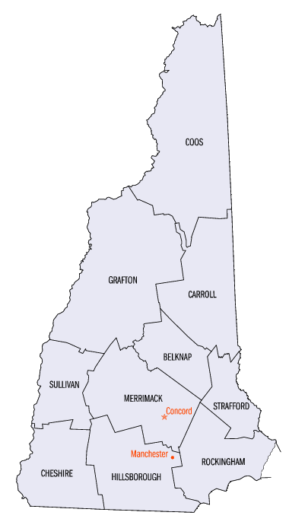
The example data here showcases the number of records found by New Hampshire county. The data suggests several counties may be undersampled for historically present species, but more research needs to be done regarding the specifics of each species and its preferred habitat before any broad conclusions could be drawn.

Records by NH County for SH Catagory Species
Row Labels | Count of Field1
Coos | 39
Carroll | 32
Rockingham | 30
Strafford | 30
Grafton | 27
Hillsborough | 19
Cheshire | 8
Belknap | 6
Sullivan | 3
Merrimack | 2
Grand Total | 196

